January
 |  | LEAD TRACKER
Month: |  | Jan | Year: | 2022
* | NAME |  |  | SOURCE |  |  | Result of Call |  |  |  | PHONE#/ E-MAIL |  |  | # of calls | Brief Notes | Transaction Names of previous month lead | Lead Source | Preapp/Purchase/Refi
 |  |  |  | CODE | DETAIL
 | 1 | Darren Liu |  | RLTR | Kat Sellis & Vivian |  | PREAPP |  |  |  | 818-400-3966 |  |  | 1 | 1st time homebuyer - taiwonese $7000 or less.. softwarre engineer.. san jose or SF. Prequalled with Chase $1.7M High Credit (25%) 7/1 ARM SFR.. no HOA.
 | 2
* | 3
 | 4
 | 5
 | 6
 | 7
 | 8
 | 9
 | 10
 | 11
 | 12
 | 13
 | 14
 | 15
 | 16
 | 17
 | 18
 | 19
 | 20
 | 21
 | 22
 | 23
 | 24
 | 25
 | 26
 | 27
 | 28
 | 29
 | 30
 | 31
 | 32
 | 33
 | 34
 | 35
 | 36
 | 37
 | 38
 | 39
 | 40
 | 41
 | 42
 | 43
 | 44
 | 45
 | 46
 | 47
 | 48
 | 49
 | 50
 | 51
 | 52
 | 53
 | 54
 | 55
 | 56
 | 57
 | 58
 | 59
 | 60
 | 61
 | 62
 | 63
 | 64
 | 65
 | 66
 | 67
 | 68
 | 69
 | 70
 | 71
 | 72
 | 73
 | 74
 | 75
 | 76
 | 77
 | 78
 | 79
 | 80
 | 81
 | 82
 | 83
 | 84
 | 85
 | 86
 | 87
 | 88
 | 89
 | 90
 | 91
 | 92
 | 93
 | 94
 | 95
 | 96
 | 97
 | 98
 | 99
 | 100
 |  |  |  |  |  | TOTAL
 | G |  |  |  |  |  |  |  |  |  |  |  | x 35%= |  | 0
 |  | CCR | PCR | PC | PF | RLTR | AD | BUS | BLDR | Month Total |  |  |  |  | Monthly Goal For Total Written Transactions
 | L | 0 | 0 | 0 | 0 | 1 | 0 | 0 | 0 | 1 |  | 0 | / |  | 0
 | T | 0 | 0 | 0 | 0 | 0 | 0 | 0 | 0 | 0 |  | Deals |  |  | Pre-Apps

 | Transactions from previous month's leads |  |  |  |  |  |  |  |  |  |  | Transactions: | 0
 | T | 0 | 0 | 0 | 0 | 0 | 0 | 0 | 0 | 0 |  | Divided by Leads: | 1
 | L = Leads T = Transactions G = Goal |  |  |  |  |  |  |  |  |  |  | =Closing % | 0
 | Number of circled Hot Leads at the end of the month: _________________

 |  | Family Time |  |  | The Perfect Model
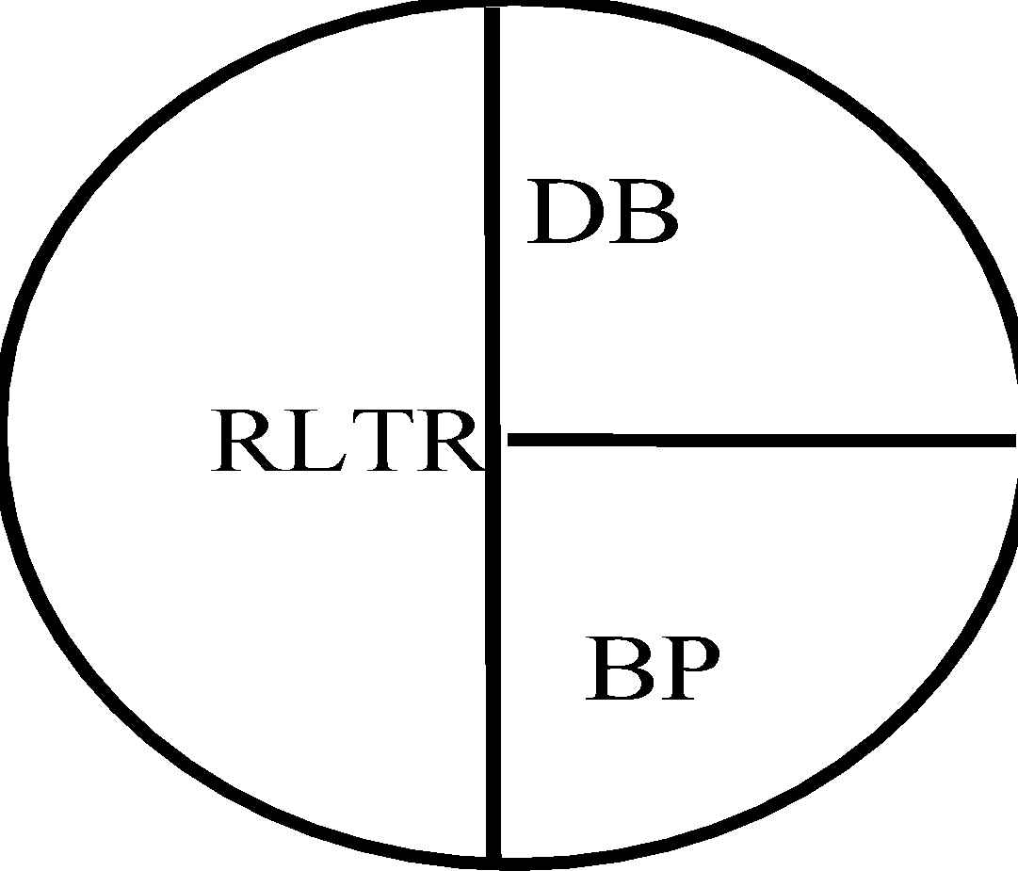

 | © 2001 Rick Ruby, The Core Training Inc., ALL RIGHTS RESERVED

December
 |  | LEAD TRACKER
Month: |  |  | Year: | 2021
* | NAME |  |  | SOURCE |  |  | Result of Call |  |  |  | PHONE#/ E-MAIL |  |  | # of calls | Brief Notes | Transaction Names of previous month lead | Lead Source | Preapp/Purchase/Refi
 |  |  |  | CODE | DETAIL
 | 1
 | 2
 | 3
 | 4
 | 5
 | 6
 | 7
 | 8
 | 9
 | 10
 | 11
 | 12
 | 13
 | 14
 | 15
 | 16
 | 17
 | 18
 | 19
 | 20
 | 21
 | 22
 | 23
 | 24
 | 25
 | 26
 | 27
 | 28
 | 29
 | 30
 | 31
 | 32
 | 33
 | 34
 | 35
 | 36
 | 37
 | 38
 | 39
 | 40
 | 41
 | 42
 | 43
 | 44
 | 45
 | 46
 | 47
 | 48
 | 49
 | 50
 | 51
 | 52
 | 53
 | 54
 | 55
 | 56
 | 57
 | 58
 | 59
 | 60
 | 61
 | 62
 | 63
 | 64
 | 65
 | 66
 | 67
 | 68
 | 69
 | 70
 | 71
 | 72
 | 73
 | 74
 | 75
 | 76
 | 77
 | 78
 | 79
 | 80
 | 81
 | 82
 | 83
 | 84
 | 85
 | 86
 | 87
 | 88
 | 89
 | 90
 | 91
 | 92
 | 93
 | 94
 | 95
 | 96
 | 97
 | 98
 | 99
 | 100
 |  |  |  |  |  | TOTAL
 | G |  |  |  |  |  |  |  |  |  |  |  | x 35%= |  | 0
 |  | CCR | PCR | PC | PF | RLTR | AD | BUS | BLDR | Month Total |  |  |  |  | Monthly Goal For Total Written Transactions
 | L | 0 | 0 | 0 | 0 | 0 | 0 | 0 | 0 | 0 |  | 0 | / |  | 0
 | T | 0 | 0 | 0 | 0 | 0 | 0 | 0 | 0 | 0 |  | Deals |  |  | Pre-Apps

 | Transactions from previous month's leads |  |  |  |  |  |  |  |  |  |  | Transactions: | 0
 | T | 0 | 0 | 0 | 0 | 0 | 0 | 0 | 0 | 0 |  | Divided by Leads: | 0
 | L = Leads T = Transactions G = Goal |  |  |  |  |  |  |  |  |  |  | =Closing % | #DIV/0!
 | Number of circled Hot Leads at the end of the month: _________________

 |  | Family Time |  |  | The Perfect Model
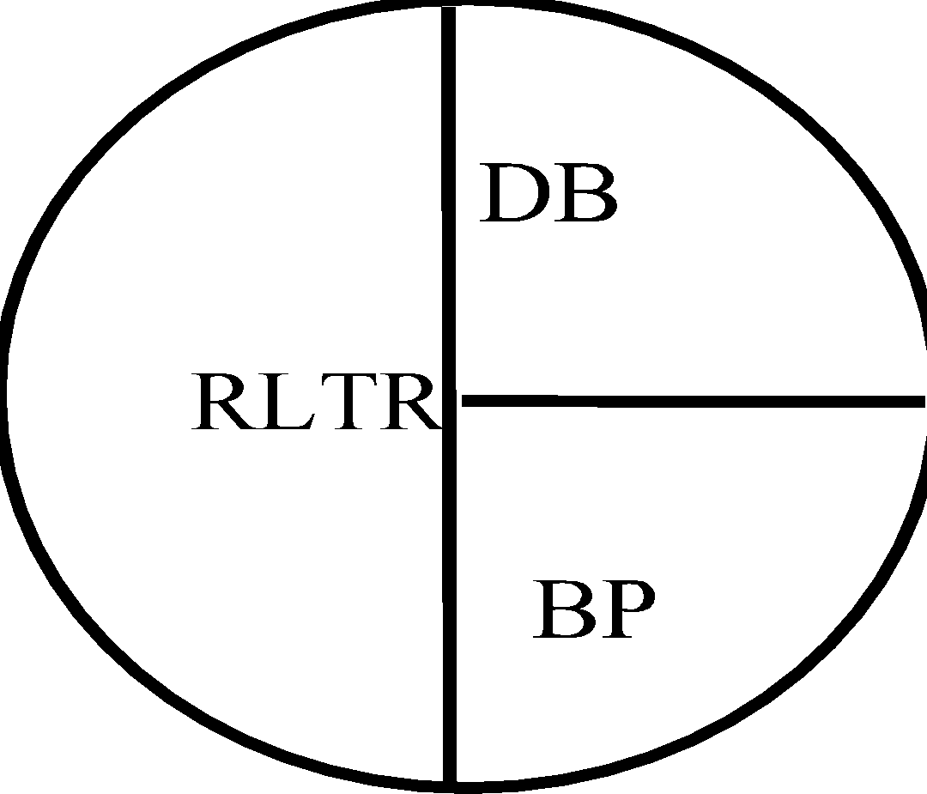

 | © 2001 Rick Ruby, The Core Training Inc., ALL RIGHTS RESERVED

